In Process Inspections
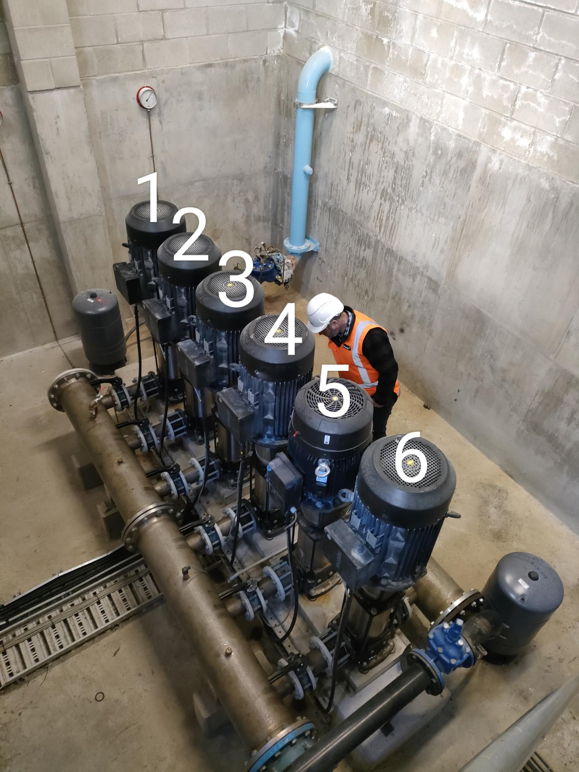
SECTION 4 – IN-PROCESS INSPECTIONS Insert additional or delete unused rows as required. Include reference to specification.
Item No. | Activity/ Task Description | Inspection Point: Quality Control Activity | Acceptance Criteria | Verifying Document | Frequency | Inspection Type (Visual, other) | Inspection
 |  |  |  |  |  |  | Key | By (Role Key)
4.1 | Shutdown the pumping system (all pumps) | Isolate pumps 1 through 6 Electrically & Mechanically and residual water in manifolds drained | Ensure reservoir tanks are full before proceeding | Advice from DCC Operations | Once | Visual + Written + Verbal | C | CR
4.2 | Removal of suction side isolation valve to pump 1 (wafer type). Inspect pump flange and valve flange | Ensure no residual gasket material remains on flange surfaces. Clean if necessary | Surfaces are clean | Visual | Once | Visual + Document | A | QE
4.3 | Removal of discharge side isolation valve to pump 1 (wafer type). Inspect pump flange and valve flange | Ensure no residual gasket material remains on flange surfaces. Clean if necessary | Surfaces are clean | Visual | Once | Visual + Document | A | QE
4.4 | Suction side valve installation | Install valve ensuring gaskets are not deformed and there is sufficient clearance for handle operation | All valve bolts are tightened and M16 bolts are torqued to 80N.m | This ITP | Once | Visual + Photograph | I | IP
4.5 | Discharge side valve installation | Install valve ensuring gaskets are not deformed and there is sufficient clearance for handle operation | All valve bolts are tightened and M16 bolts are torqued to 80N.m | This ITP | Once | Visual + Photograph | I | IP
Note: All valves to be left in closed position

